history chart
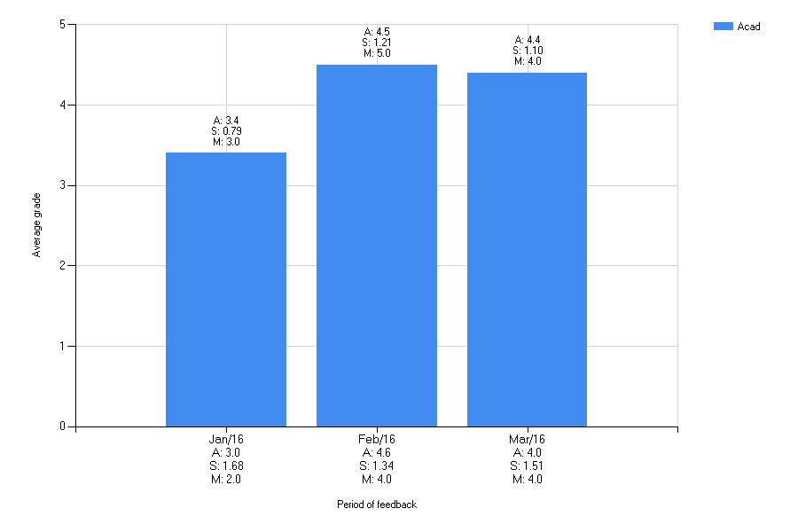
Selected section: Chemistry
Selected question: Is the staff well mannered?
Selected function: Acad

